Sheet1
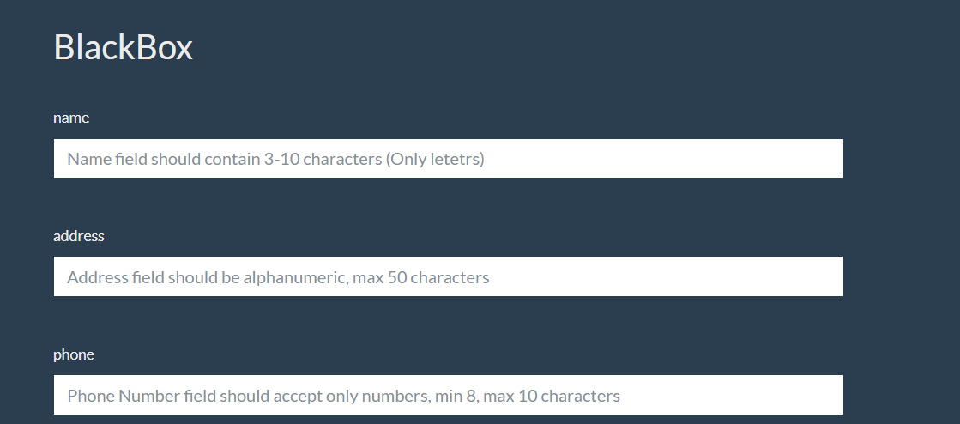
Test Scenario | Test Case Id | Test Case Name | Preconditions | Test Case Steps | Test Data | Attachment | Exepcted Result | Priority | Run Result
Check Name field | 1 | Verify name field by valid data | BlackBox page is open | 1.Entering valid data 2.Click Check | 1.D1=aaa 2.D2=asdf 3.D3=asdfghjkl 4.D4=asdfghjklo | _ | Entering must be successful | High | As expected
 | 2 | Verify name field by invalid data | BlackBox page is open | 1.Entering invalid data 2.Click Check | 1.D1=as 2.D2=asdfghjklpo 3.D3=123 4.D4=!$%^ | _ | Validation message | High | As expected
Check address field | 3 | Verify address filed by valid data | BlackBox page is open | 1.Entering valid data 2.Click Check | 1.D1=a 2.D2=A2 3.D3=(49 characters) 4.D4=(50 characters) | _ | Entering must be successful | High | As expected
 | 4 | Verify address filed by invalid data | BlackBox page is open | 1.Entering invalid data 2.Click Check | 1.D1=(more than 50 characters) | _ | Validation message | High | As expected
Check phone field | 5 | Verify phone field by valid data | BlackBox page is open | 1.Entering valid data 2.Click Check | 1.D1=12345678 2.D2=123456789 3.D3=01233456789 | _ | Entering must be successful | High | As expected
 | 6 | Verify phone field by invalid data | BlackBox page is open | 1.Entering invalid data 2.Click Check | 1.D1=1234567 2.D2=01234567891 3.D3=asdfghjk 4.D4=!@#%^&*( | _ | Validation message | High | As expected

